Welcome
Curriculum Intent: Haxby Road serves a local community with increasing social deprivation including a high proportion of families accessing multi agency support including children’s services. As a result of this, we aim to ensure children’s experience of culture and arts is not limited by their socio-economic background.
Cross-curricular, challenge based planning and a Upper Key Stage Two compulsory enrichment programme gives children a wide range of opportunities and experiences to encourage a thirst for learning whilst raising pupil aspirations and self-belief.
Our curriculum is underpinned by 3 pillars which give our vision structure whilst building capital. These 3 pillars are: ‘Heritage,’ ‘Health and Happiness’ and ‘Hopes and Dreams.’ Leaders have improved the breadth of the curriculum and staff development time was used to collaboratively map the knowledge and skills that children need to support their long-term learning in all curriculum areas. The Haxby Road 100, details the school’s academic, cultural and creative entitlement for all children and is a complementary key driver from Tiny Steps to Year 6 to aspire to high outcomes.
At Haxby Road Primary Academy we provide an exciting creative curriculum , which provides our pupils with memorable experiences and builds upon their interests and aspirations.
“Pupils have the opportunity to explore and develop their learning, through practical activities in the ‘forest school’ and ‘cook school’. The teaching of art results in high-quality work.” Ofsted 2016
Contribute Create Compete Connect Commit Care
Haxby Road Primary Academy Connected Curriculum Design

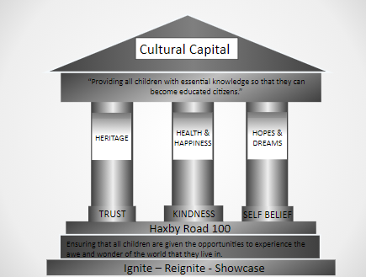

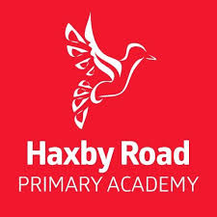

Life Long Learners: To provide all children with cross curricular, connected learning opportunities, which draw upon their life experiences, in order to support the holistic development of every child. To foster indep
endence and autonomy, enabling children to become gatekeepers of their own learning, whilst encouraging them to become lifelong learners. Every child will leave Haxby Road Primary Academy a reader and will have the technological skills to navigate an ever changing world.
Guidance for using the LTP for EYFS:
Guidance for using the LTP for KS1 & 2:
The LTP for KS1 & 2 is broken down in half term blocks, which will consist of our wider curriculum learning focus. Each 6 week (half term cycle) will be broken down further into 3 weeks blocks inline with the YWP structure for writing.
The progression of knowledge and skills for each subject is based on the national curriculum and will inform the ongoing curriculum design.
Connected learning opportunities will be interwoven within cross curricular lessons, enabling children to know more, remember more and do more.
Alongside the curriculum objectives (based on the progression of knowledge and skills) will be ideas from the subject lead, which will support understanding and enable teachers to ensure pupil progress.
Technology will be used to transform learning opportunities and will enable allow the children to become gatekeepers of their own knowledge - fostering a sense of independence and autonomy.

